Sheet1
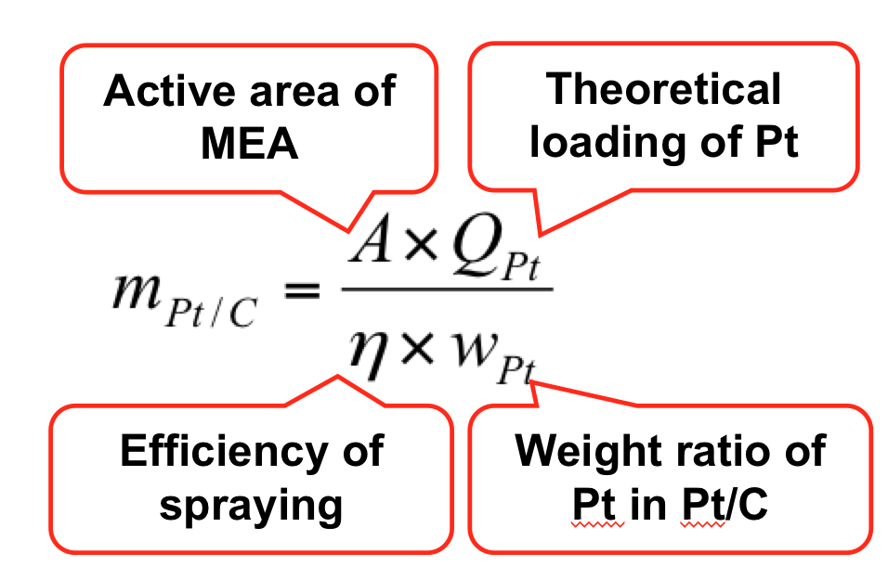
 |  |  |  | Area(cm2) | Efficiency of spraying | weight ration of pt in pt/c | w_nafion | k_pt/c | k_nafion
 |  | D of GDL |  | 8 | 0.6 | 0.282 | 0.15 | 0.75 | 0.25
 |  | 15mm |  |  |  | 0.6
28.2% Pt | Loading | m_pt/C (mg) | m_nafion (mg)
 | 0.25 | 11.820330969 | 26.267402154
 | 0.5 | 23.640661939 | 52.534804308
 | 0.75 | 35.460992908 | 78.802206462
 | 1 | 47.281323877 | 105.06960862
60% Pt | Loading | m_pt/C (mg) | m_nafion (mg)
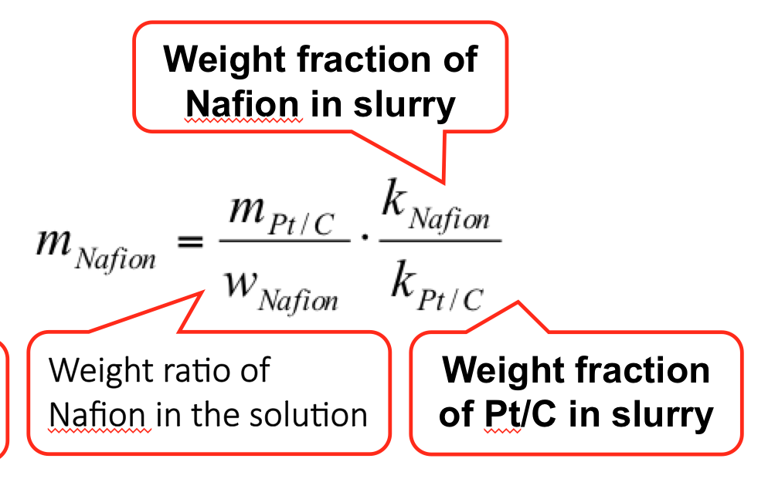
 | 0.5 | 11.111111111 | 24.691358025

